Debt Transparency WBHM
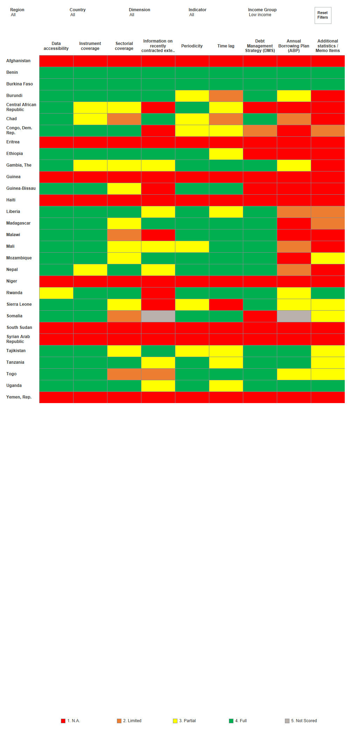
Figure. World Bank Debt Reporting Heat Map - 2024

